Sheet1
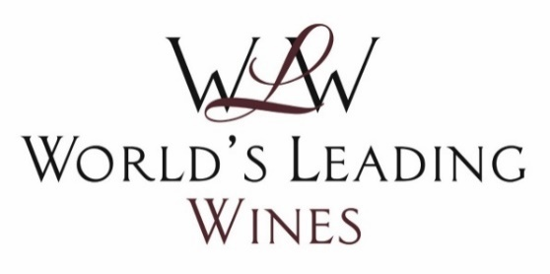
Poland Importer Sourcing Event
29 Mar - 31 Mar 2022

Registered Importers - Meeting Selections Received
We anticipate dropout rates of 20% from the following registered delegates to actual participating delegates, due to the seniority of the individuals confirmed and the nature of the trade.
During the online event you will be able to message and request additional meetings with importers you have not been scheduled a meeting with, so please make a note on this document of whom you would like to request an ad hoc meeting with when you are online, and have this document with you during the online event.
This document is confidential and intended solely for the use of the individual and company to whom it was addressed.

Company Name: | Website: | Country: | City: | Attendee(s): | Notes:
TrezorWines | www.winelovers.com.pl | Poland | Kielce | Co-Founder & Import Manager
Folwark Bolesławów | www.folwark.pl | Poland | Łódź | Import Manager
Vinimex | www.wina.amazis.com | Poland | Poznań | Sommelier
Wine Republic | www.winerepublic.pl | Poland | Warszawa | Import Manager
Twoje Wino | www.twojewino.pl | Poland | Zakopane | Owner

Importers Currently Sourcing and Requested Producer Contact Details, but Unable to Attend

Please note that the following importers we have spoken to are not able to attend the event but are currently sourcing and have requested the details of some of the participating producers. If your details were requested you will be forwarded the relevant importer's details after the event.
Company Name: | Website: | Country: | City: | Attendee(s): | Notes:
Dolio Vini | www.doliovini.pl | Poland | Gdansk | Partner
Winers | www.winers.pl | Poland | Gdańsk | Owner
Rymarczyk&Białobrocki Import | https://www.rbimport.pl/ | Poland | Krakow | Owner
Reczek Andrzej Przedsiębiorstwo Handlowo - Usługowe | www.reczek.pl | Poland | Kuźnia Raciborska | Owner & Sommelier
Partner Center | www.partnercenter.pl | Poland | Lódz | Member of the Board & MD
Appellation | www.appellation.pl | Poland | Łódź | Owner
Winoikieliszki.pl | http://www.winoikieliszki.pl/ | Poland | Opole | Owner
Premium Alcohols Sp. Z O.o. | www.premiumalcohols.pl | Poland | Poland | Chairman
Oktan Energy – Wina | www.oktanwina.pl | Poland | Szczecin | Owner
United Beverages | www.unitedbeverages.pl | Poland | Toruń | Owner
Kondrat Wina Wybrane | www.marekkondrat.pl | Poland | Warszawa | Owner

Max Cogger
Event Director
World’s Leading Wines & Spirits
T: +44 203 925 0750
maxc@commerceinteract.com
©Commerce Interact Ltd.
107-111 Fleet Street
London, EC4A 2AB, UK

World’s Leading Wines & Spirits is a division of Commerce Interact Ltd.

